CTD05
Alkaline phosphatase (APase), lipase, alpha-glucosidase, and peptidase were determined by measuring the hydrolysis product of the commonly used fluorogenic substrates 4-methylumbelliferyl (MUF)-phosphate, MUF-butyrate, MUF-alpha-D-glucose and methyl-coumarinyl-amide(MCA)-leucine (Sigma-Aldrich) over time (Hoppe 1993). Seawater from each depth in the water column was aliquoted into one row of a 96-well plate. The 96 well plates were prepared with fluorogenic substrates already added. The kinetics of fluorescence production was measured using a CytoFluor Series 4000 multi-well plate reader. Fluorescence was converted to concentration units using calibration curves with of commercially available, purified MUF and MCA standards.

 | pmol/L/hr
Depth | Leucinase |  |  | Serinase |  |  | Glycinase |  |  | Phosphatase
2 | 0.12364161442 | 0.1376111646 | 0.12748454132 | 0.087008047261 | 0.089430794981 | 0.12991556629 | 0.060645070203 | 0.061026047206 | 0.057781235704 | 0.0072925763239 | 0.0067774626323 | 0.0072108211195
6 | 0.1446254603 | 0.14453096563 | 0.13760142009 | 0.083667879869 | 0.089323047131 | 0.077518086822 | 0.074478069597 | 0.083118247817 | 0.07538590424 | 0.0071794848981 | 0.0081702927048 | 0.0067824637361
11 | 0.12996794106 | 0.13169798302 | 0.13311490871 | 0.066234753055 | 0.079978967328 | 0.064532429531 | 0.068983535305 | 0.084635441525 | 0.071081460577 | 0.0063541214619 | 0.0059734181008 | 0.0059658031271
18 | 0.10630835691 | 0.11470098301 | 0.1122193057 | 0.050638044483 | 0.050545814492 | 0.050657692995 | 0.056044591077 | 0.072373541659 | 0.065942959885 | 0.0056554022917 | 0.0055685855472 | 0.0061578545785
32 | 0.058109136206 | 0.02423170354 | 0.030861401937 | 0.011416152608 | 0.013242475471 | 0.013551429193 | 0.018050236835 | 0.023098166178 | 0.01642381207 | 0.0032076717167 | 0.003109115221 | 4.0371448213E-05
48 | 0.013675667758 | 0.014967812634 | 0.016077857903 | 0.00913923768 | 0.010428160965 | 0.008043179218 | 0.013281182403 | 0.019907754901 | 0.012589593037 | 0.0018072871068 | 0.0030376946238 | 0.0027918699747

Depth | Leucinase | Stdev | Serinase | Stdev | Glycinase | Stdev | Phosphatase | Stdev
2 | 0.12957910678 | 0.0072164732658 | 0.10211813618 | 0.024103739696 | 0.059817451038 | 0.0017736728933 | 0.0070936200252 | 0.00027683497103
6 | 0.14225261534 | 0.0040283303337 | 0.083503004607 | 0.0059042069633 | 0.077660740552 | 0.0047480869938 | 0.0073774137796 | 0.00071477212674
11 | 0.13159361093 | 0.0015760778847 | 0.070248716638 | 0.0084695224315 | 0.074900145803 | 0.0084960172854 | 0.0060977808966 | 0.00022203009032
18 | 0.11107621521 | 0.004311500333 | 0.050613850657 | 5.9734460424E-05 | 0.064787030874 | 0.0082256176479 | 0.0057939474725 | 0.00031812823383
32 | 0.037734080561 | 0.01795397991 | 0.012736685757 | 0.0011540012775 | 0.019190738361 | 0.0034802741973 | 0.0031583934689 | 6.9689966488E-05
48 | 0.014907112765 | 0.0012022448702 | 0.0092035259545 | 0.0011937898561 | 0.015259510113 | 0.0040403228415 | 0.0025456172351 | 0.00065111901619

 | Leucine |  | Serine |  | Glycine |  | APase
0.12957910678 | 2 | 0.10211813618 | 2 | 0.059817451038 | 2 | 0.0070936200252 | 2
0.14225261534 | 5 | 0.083503004607 | 5 | 0.077660740552 | 5 | 0.0073774137796 | 5
0.13159361093 | 8 | 0.070248716638 | 8 | 0.074900145803 | 8 | 0.0060977808966 | 8
0.11107621521 | 14 | 0.050613850657 | 14 | 0.064787030874 | 14 | 0.0057939474725 | 14
0.037734080561 | 20 | 0.012736685757 | 20 | 0.019190738361 | 20 | 0.0031583934689 | 20
0.014907112765 | 30 | 0.0092035259545 | 30 | 0.015259510113 | 30 | 0.0025456172351 | 30

CTD07
 | pmol/L/hr
Depth | Leucinase |  |  | Serinase |  |  | Glycinase |  |  | Phosphatase
2 | 0.32769077478 | 0.32158035558 | 0.31443022413 | 0.086903039131 | 0.09229123378 | 0.073988013127 | 0.15392198517 | 0.15151772806 | 0.14883452576 | 0.0099830705414 | 0.0098258814048 | 0.0092924406283
5 | 0.30597358783 | 0.30081669259 | 0.30286377699 | 0.095962206851 | 0.093214316981 | 0.10557968043 | 0.13111263259 | 0.13225294107 | 0.13502459448 | 0.010349995139 | 0.010233199758 | 0.0087512964313
9 | 0.30415279492 | 0.29108210773 | 0.31422104862 | 0.092382066431 | 0.093037674443 | 0.11057468982 | 0.13927057392 | 0.14366024003 | 0.14393724141 | 0.011741404362 | 0.0090608038375 | 0.0089460537998
15 | 0.18106265225 | 0.1808967378 | 0.17859400434 | 0.065784918847 | 0.052617715941 | 0.066782230642 | 0.093468037066 | 0.088994801649 | 0.089519498762 | 0.0054051231963 | 0.0051251502541 | 0.0053183402295
30 | 0.0292242166 | 0.028937533232 | 0.3876516907 | 0.015036747049 | 0.01376991238 | 0.013931189859 | 0.022926701273 | 0.026079914136 | 0.027804695827 | 0.0031018707842 | 0.0027050462324 | -0.0092598065216
40 | 0.020826302865 | 0.023530442008 | 0.021286557242 | 0.01494319157 | 0.013014813569 | 0.014031519021 | 0.023769998937 | 0.022323865674 | 0.022054743433 | 0.0030334748135 | 0.0028613989575 | 0.002936155873

Depth | Leucinase | Stdev | Serinase | Stdev | Glycinase | Stdev | Phosphatase | Stdev
2 | 0.32123378483 | 0.0066370651904 | 0.084394095346 | 0.009406012479 | 0.15142474633 | 0.0025450039325 | 0.0097004641915 | 0.00036199382215
5 | 0.30321801914 | 0.0025966339245 | 0.098252068088 | 0.0064929309012 | 0.13279672271 | 0.0020118735848 | 0.009778163776 | 0.00089120856027
9 | 0.30315198376 | 0.01160189052 | 0.098664810231 | 0.010319466038 | 0.14228935179 | 0.0026180044507 | 0.009916087333 | 0.0015818118043
15 | 0.18018446479 | 0.001379875085 | 0.061728288476 | 0.0079057293561 | 0.090660779159 | 0.0024452708403 | 0.0052828712266 | 0.00014331695545
30 | 0.14860448018 | 0.20702100664 | 0.014245949762 | 0.00068958166131 | 0.025603770412 | 0.0024736091753 | 0.0029034585083 | 0.00028059733153
40 | 0.021881100705 | 0.0014467907844 | 0.013996508053 | 0.00096466561789 | 0.022716202681 | 0.00092248122249 | 0.002943676548 | 8.6284097424E-05
 | Leucine |  | Serine |  | Glycine |  | APase
0.32123378483 | 2 | 0.084394095346 | 2 | 0.15142474633 | 2 | 0.0097004641915 | 2
0.30321801914 | 5 | 0.098252068088 | 5 | 0.13279672271 | 5 | 0.009778163776 | 5
0.30315198376 | 9 | 0.098664810231 | 9 | 0.14228935179 | 9 | 0.009916087333 | 9
0.18018446479 | 15 | 0.061728288476 | 15 | 0.090660779159 | 15 | 0.0052828712266 | 15
0.14860448018 | 30 | 0.014245949762 | 30 | 0.025603770412 | 30 | 0.0029034585083 | 30
0.021881100705 | 40 | 0.013996508053 | 40 | 0.022716202681 | 40 | 0.002943676548 | 40

CTD12
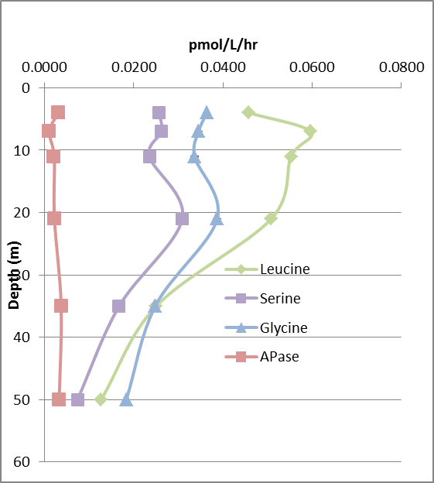
 | pmol/L/hr
Depth | Leucinase |  |  | Serinase |  |  | Glycinase |  |  | Phosphatase
4 | 0.0459 | 0.0456 | 0.0461 | 0.0259 | 0.0265 | 0.0247 | 0.0354 | 0.0381 | 0.0356 | 0.0029 | 0.0033 | 0.0032
7 | 0.0594 | 0.0696 | 0.0499 | 0.0233 | 0.0241 | 0.0312 | 0.0337 | 0.0365 | 0.0334 | 0.0015 | 0.0008 | 0.0008
11 | 0.0518 | 0.0560 | 0.0579 | 0.0210 | 0.0249 | 0.0247 | 0.0342 | 0.0350 | 0.0317 | 0.0021 | 0.0020 | 0.0024
21 | 0.0511 | 0.0516 | 0.0497 | 0.0225 | 0.0330 | 0.0371 | 0.0428 | 0.0396 | 0.0337 | 0.0024 | 0.0017 | 0.0025
35 | 0.0274 | 0.0239 | 0.0239 | 0.0124 | 0.0184 | 0.0194 | 0.0256 | 0.0250 | 0.0238 | 0.0046 | 0.0033 | 0.0033
50 | 0.0141 | 0.0130 | 0.0110 | 0.0055 | 0.0116 | 0.0051 | 0.0194 | 0.0187 | 0.0169 | 0.0026 | 0.0033 | 0.0041

 | pmol/L/hr
Depth | Leucinase | Stdev | Serinase | Stdev | Glycinase | Stdev | Phosphatase | Stdev
4 | 0.0459 | 0.0002 | 0.0257 | 0.0009 | 0.0364 | 0.0015 | 0.0031 | 0.0002
7 | 0.0596 | 0.0099 | 0.0262 | 0.0043 | 0.0345 | 0.0017 | 0.0011 | 0.0004
11 | 0.0553 | 0.0031 | 0.0235 | 0.0022 | 0.0336 | 0.0017 | 0.0022 | 0.0002
21 | 0.0508 | 0.0010 | 0.0309 | 0.0075 | 0.0387 | 0.0046 | 0.0022 | 0.0004
35 | 0.0250 | 0.0020 | 0.0167 | 0.0038 | 0.0248 | 0.0009 | 0.0037 | 0.0007
50 | 0.0127 | 0.0015 | 0.0074 | 0.0037 | 0.0184 | 0.0013 | 0.0033 | 0.0007

CTD15
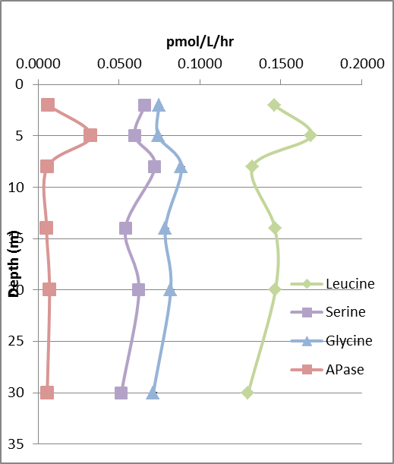
 | pmol/L/hr
Depth | Leucinase |  |  | Serinase |  |  | Glycinase |  |  | Phosphatase
2 | 0.1481 | 0.1294 | 0.1600 | 0.0657 | 0.0681 | 0.0639 | 0.0691 | 0.0738 | 0.0808 | 0.0065 | 0.0051 | 0.0067
5 | 0.1454 | 0.1671 | 0.1934 | 0.0598 | 0.0650 | 0.0547 | 0.0672 | 0.0670 | 0.0884 | 0.0269 | 0.0327 | 0.0388
8 | 0.1352 | 0.1279 | 0.1340 | 0.0797 | 0.0649 | 0.0719 | 0.0848 | 0.1004 | 0.0805 | 0.0057 | 0.0061 | 0.0054
14 | 0.1377 | 0.1565 | 0.1447 | 0.0549 | 0.0601 | 0.0469 | 0.0717 | 0.0820 | 0.0822 | 0.0049 | 0.0049 | 0.0060
20 | 0.1430 | 0.1493 | 0.1475 | 0.0671 | 0.0740 | 0.0459 | 0.0783 | 0.0857 | 0.0818 | 0.0084 | 0.0068 | 0.0060
30 | 0.1164 | 0.1389 | 0.1341 | 0.0526 | 0.0555 | 0.0462 | 0.0707 | 0.0759 | 0.0671 | 0.0055 | 0.0072 | 0.0044

 | pmol/L/hr
Depth | Leucinase | Stdev | Serinase | Stdev | Glycinase | Stdev | Phosphatase | Stdev
2 | 0.1458 | 0.0155 | 0.0659 | 0.0021 | 0.0746 | 0.0059 | 0.0061 | 0.0008
5 | 0.1686 | 0.0240 | 0.0598 | 0.0052 | 0.0742 | 0.0123 | 0.0328 | 0.0060
8 | 0.1324 | 0.0039 | 0.0722 | 0.0074 | 0.0885 | 0.0105 | 0.0057 | 0.0003
14 | 0.1463 | 0.0095 | 0.0540 | 0.0066 | 0.0786 | 0.0060 | 0.0053 | 0.0006
20 | 0.1466 | 0.0033 | 0.0623 | 0.0147 | 0.0819 | 0.0037 | 0.0071 | 0.0012
30 | 0.1298 | 0.0119 | 0.0515 | 0.0048 | 0.0712 | 0.0044 | 0.0057 | 0.0014

CTD19
 | pmol/L/hr
Depth | Leucinase |  |  | Serinase |  |  | Glycinase |  |  | Phosphatase
2 | 0.3696 | 0.3118 | 0.3513 | 0.1485 | 0.0896 | 0.1323 | 0.1406 | 0.1874 | 0.1274 | 0.0088 | 0.0085 | 0.0209
5 | 0.3616 | 0.2966 | 0.3050 | 0.1089 | 0.1118 | 0.0895 | 0.1663 | 0.1851 | 0.1580 | 0.0065 | 0.0098 | -0.0005
8 | 0.3487 | 0.2717 | 0.2670 | 0.0899 | 0.1098 | 0.1212 | 0.1239 | 0.1902 | 0.1717 | 0.0086 | 0.0085 | 0.0090
14 | 0.1769 | 0.1442 | 0.1410 | 0.0648 | 0.0589 | 0.0665 | 0.0983 | 0.1053 | 0.0817 | 0.0078 | 0.0076 | 0.0078
20 | 0.1108 | 0.0862 | 0.0901 | 0.0321 | 0.0512 | 0.0262 | 0.0642 | 0.0584 | 0.0492 | 0.0082 | 0.0141 | 0.0066
30 | 0.0952 | 0.0653 | 0.0596 | 0.0211 | 0.0207 | 0.0242 | 0.0484 | 0.0542 | 0.0372 | 0.0033 | 0.0050 | 0.0043

 | pmol/L/hr
Depth | Leucinase | Stdev | Serinase | Stdev | Glycinase | Stdev | Phosphatase | Stdev
2 | 0.3442 | 0.0295 | 0.1235 | 0.0304 | 0.1518 | 0.0315 | 0.0128 | 0.0071
5 | 0.3211 | 0.0353 | 0.1034 | 0.0122 | 0.1698 | 0.0139 | 0.0081 | 0.0024
8 | 0.2958 | 0.0459 | 0.1070 | 0.0159 | 0.1620 | 0.0342 | 0.0087 | 0.0003
14 | 0.1541 | 0.0199 | 0.0634 | 0.0040 | 0.0951 | 0.0121 | 0.0077 | 0.0001
20 | 0.0957 | 0.0132 | 0.0365 | 0.0131 | 0.0573 | 0.0075 | 0.0096 | 0.0039
30 | 0.0734 | 0.0191 | 0.0220 | 0.0019 | 0.0466 | 0.0086 | 0.0042 | 0.0009

 | Leucine |  | Serine |  | Glycine |  | APase
0.3442211434 | 2 | 0.12345243286 | 2 | 0.15180797138 | 2 | 0.0127721509 | 2
0.32107065004 | 5 | 0.10339653772 | 5 | 0.16976989485 | 5 | 0.0081432642362 | 5
0.2958112026 | 8 | 0.10697035812 | 8 | 0.16196837572 | 8 | 0.0086881415146 | 8
0.1540536843 | 14 | 0.063419709484 | 14 | 0.09511488453 | 14 | 0.007723809624 | 14
0.095690509549 | 20 | 0.03650438195 | 20 | 0.05726355185 | 20 | 0.009624206395 | 20
0.073360610873 | 30 | 0.021969327476 | 30 | 0.046587638524 | 30 | 0.0042131245054 | 30

CTD23
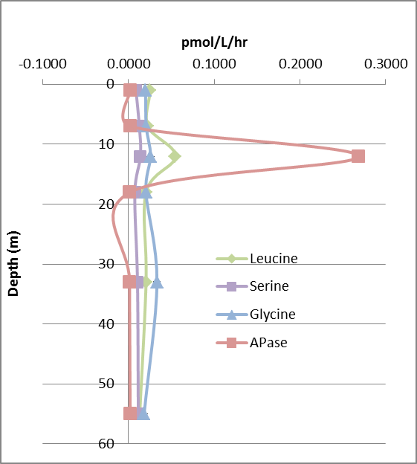
 | pmol/L/hr
Depth | Leucinase |  |  | Serinase |  |  | Glycinase |  |  | Phosphatase
1 | 0.0263 | 0.0277 | 0.0219 | 0.0072 | 0.0099 | 0.0090 | 0.0189 | 0.0214 | 0.0193 | 0.0023 | 0.0022 | 0.0022
7 | 0.0221 | 0.0247 | 0.0205 | 0.0125 | 0.0092 | 0.0161 | 0.0253 | 0.0218 | 0.0150 | 0.0021 | 0.0025 | 0.0023
12 | 0.0532 | 0.0521 | 0.0590 | 0.0131 | 0.0137 | 0.0151 | 0.0247 | 0.0284 | 0.0240 | 0.2679 | 0.2706 | 0.2670
18 | 0.0195 | 0.0201 | 0.0219 | 0.0062 | 0.0099 | 0.0060 | 0.0200 | 0.0214 | 0.0197 | 0.0015 | 0.0016 | 0.0026
33 | 0.0164 | 0.0301 | 0.0151 | 0.0216 | 0.0050 | 0.0048 | 0.0168 | 0.0191 | 0.0638 | 0.0011 | 0.0014 | 0.0014
55 | 0.0137 | 0.0117 | 0.0140 | 0.0107 | 0.0100 | 0.0136 | 0.0186 | 0.0194 | 0.0169 | 0.0015 | 0.0021 | 0.0022

 | pmol/L/hr
Depth | Leucinase | Stdev | Serinase | Stdev | Glycinase | Stdev | Phosphatase | Stdev
1 | 0.0253 | 0.0030 | 0.0087 | 0.0014 | 0.0199 | 0.0013 | 0.0022 | 0.0001
7 | 0.0224 | 0.0021 | 0.0126 | 0.0035 | 0.0207 | 0.0053 | 0.0023 | 0.0003
12 | 0.0548 | 0.0037 | 0.0140 | 0.0010 | 0.0257 | 0.0024 | 0.2685 | 0.0019
18 | 0.0205 | 0.0013 | 0.0074 | 0.0021 | 0.0204 | 0.0009 | 0.0019 | 0.0006
33 | 0.0205 | 0.0083 | 0.0105 | 0.0097 | 0.0332 | 0.0265 | 0.0013 | 0.0002
55 | 0.0131 | 0.0012 | 0.0114 | 0.0019 | 0.0183 | 0.0013 | 0.0019 | 0.0004

CTD31
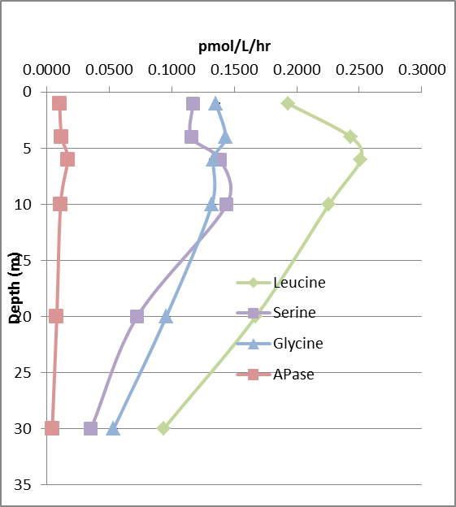
 | pmol/L/hr
Depth | Leucinase |  |  | Serinase |  |  | Glycinase |  |  | Phosphatase
1 | 0.1886 | 0.1941 | 0.1959 | 0.1113 | 0.1275 | 0.1120 | 0.1113 | 0.1355 | 0.1595 | 0.0098 | 0.0104 | 0.0105
4 | 0.2485 | 0.2486 | 0.2329 | 0.1056 | 0.1162 | 0.1255 | 0.1197 | 0.1660 | 0.1430 | 0.0113 | 0.0125 | 0.0191
6 | 0.2615 | 0.2568 | 0.2355 | 0.1427 | 0.1370 | 0.1360 | 0.0985 | 0.1690 | 0.1326 | 0.0178 | 0.0196 | 0.0126
10 | 0.2168 | 0.2315 | 0.2291 | 0.1326 | 0.1556 | 0.1440 | 0.1203 | 0.1325 | 0.1436 | 0.0118 | 0.0105 | 0.0110
20 | 0.1519 | 0.1604 | 0.1893 | 0.0710 | 0.0686 | 0.0775 | 0.0886 | 0.0997 | 0.0985 | 0.0071 | 0.0070 | 0.0101
30 | 0.0886 | 0.1003 | 0.0913 | 0.0277 | 0.0365 | 0.0418 | 0.0493 | 0.0525 | 0.0587 | 0.0048 | 0.0043 | 0.0041

 | pmol/L/hr
Depth | Leucinase | Stdev | Serinase | Stdev | Glycinase | Stdev | Phosphatase | Stdev
1 | 0.1929 | 0.0038 | 0.1169 | 0.0092 | 0.1354 | 0.0241 | 0.0102 | 0.0004
4 | 0.2433 | 0.0091 | 0.1158 | 0.0100 | 0.1429 | 0.0232 | 0.0119 | 0.0008
6 | 0.2513 | 0.0138 | 0.1386 | 0.0036 | 0.1334 | 0.0353 | 0.0167 | 0.0036
10 | 0.2258 | 0.0079 | 0.1441 | 0.0115 | 0.1322 | 0.0117 | 0.0111 | 0.0006
20 | 0.1672 | 0.0196 | 0.0724 | 0.0046 | 0.0956 | 0.0061 | 0.0081 | 0.0018
30 | 0.0934 | 0.0061 | 0.0353 | 0.0071 | 0.0535 | 0.0048 | 0.0044 | 0.0004

I-1
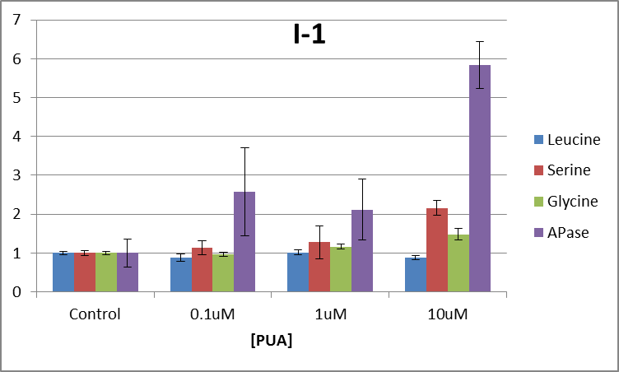
Incubation-1 (I-1) sought to investigate the response of the natural phytoiplanklton community to oxylipin exposure. Seawater was collected from the depth of 55% PAR (CTD08). Triplicate 20L incubations were set up with 0, 0.1uM,1uM, or 10uM PUA cocktail added. The PUA cocktail contained heptadienal, octadienal ,a nd decadienal. The incubations were tconducted for 24 hours in on-deck flow-through incubators screened to the 55% light level. Alkaline phosphatase (APase), lipase, alpha-glucosidase, and peptidase were determined by measuring the hydrolysis product of the commonly used fluorogenic substrates 4-methylumbelliferyl (MUF)-phosphate, MUF-butyrate, MUF-alpha-D-glucose and methyl-coumarinyl-amide(MCA)-leucine (Sigma-Aldrich) over time (Hoppe 1993). Seawater from each treatment was aliquoted into one row of a 96-well plate. The 96 well plates were prepared with fluorogenic substrates already added. The kinetics of fluorescence production was measured using a CytoFluor Series 4000 multi-well plate reader. Fluorescence was converted to concentration units using calibration curves with of commercially available, purified MUF and MCA standards.

 | pmol/L/hr
 | Leucinase |  |  | Serinase |  |  | Glycinase |  |  | Phosphatase
Control | 0.74715337021 | 0.80122441084 | 0.74358530956 | 0.13982870518 | 0.14526368711 | 0.12781974607 | 0.30291871655 | 0.29802207079 | 0.29633148846 | 0.015843467154 | 0.016350917753 | 0.017066259628
Control | 0.24006625835 | 0.2531885118 | 0.26699704556 | 0.082759902413 | 0.071234674092 | 0.072462057249 | 0.094599148028 | 0.088708611682 | 0.090676807725 | 0.0065253305062 | 0.0056998352259 | 0.0054413851243
Control | 0.2608542324 | 0.26040457536 | 0.26197873903 | 0.076447375749 | 0.072497441531 | 0.079625044387 | 0.090608514606 | 0.096805277881 | 0.10030358927 | 0.011200401078 | 0.011953541366 | 0.012021481945
0.1uM | 0.20044684938 | 0.20406931631 | 0.21183176862 | 0.07729624469 | 0.059403993398 | 0.086493236114 | 0.091593666297 | 0.093210465085 | 0.094288357999 | 0.014038243725 | 0.014982626068 | 0.014405454398
0.1uM | 0.22386074511 | 0.23340419632 | 0.23591289467 | 0.090477990314 | 0.098253145207 | 0.078006209248 | 0.086777319337 | 0.093587605855 | 0.087455101323 | 0.03512738605 | 0.035603902549 | 0.03624716522
0.1uM | 0.27729862558 | 0.22842774817 | 0.2326394037 | 0.11088600146 | 0.086980235924 | 0.086589296826 | 0.081182543762 | 0.094182597873 | 0.086855320473 | 0.016054961204 | 0.016956436301 | 0.020853998311
1uM | 0.24086418116 | 0.24016578285 | 0.25674199832 | 0.062640431806 | 0.090191228592 | 0.082012432023 | 0.10309441032 | 0.11859597955 | 0.10496140527 | 0.011066378644 | 0.011795724939 | 0.009732101689
1um | 0.2596245502 | 0.25735147859 | 0.26619689673 | 0.079846175699 | 0.088907943508 | 0.093297638051 | 0.10333490706 | 0.11212695815 | 0.11428416439 | 0.026151851382 | 0.024168621548 | 0.02887215543
1uM | 0.26574423041 | 0.29732202862 | 0.27277675117 | 0.17634766375 | 0.10104986337 | 0.09678877736 | 0.10194160061 | 0.11293980141 | 0.11175558021 | 0.019002950478 | 0.018304208276 | 0.018815711867
10uM | 0.21552749781 | 0.22971184329 | 0.213942237 | 0.17217316443 | 0.18008113621 | 0.19234474152 | 0.15004336066 | 0.15847511592 | 0.15378802804 | 0.052030993215 | 0.052336550511 | 0.06313008423
10uM | 0.21923597548 | 0.22438178755 | 0.2589243277 | 0.1565345979 | 0.15158793197 | 0.15589906356 | 0.12060337076 | 0.14684770397 | 0.13860138287 | 0.043848576326 | 0.047866914911 | 0.052590160046
10uM | 0.22509979219 | 0.21599245086 | 0.224893744 | 0.14875621319 | 0.15755041824 | 0.15777850481 | 0.12174765145 | 0.13279857207 | 0.12483833887 | 0.048628247015 | 0.050211452049 | 0.052087895415

 | pmol/L/hr
 | Leucinase | Stdev | Serinase | Stdev | Glycinase | Stdev | Phosphatase | Stdev
Control | 0.25724822708 | 0.0095087785913 | 0.075837749237 | 0.0046124333357 | 0.093616991531 | 0.0044187825801 | 0.0088069958743 | 0.0032295460228
0.1uM | 0.22754350532 | 0.02278268021 | 0.086042928131 | 0.014309277923 | 0.089903664223 | 0.0045554515682 | 0.022696685981 | 0.0099273131271
1uM | 0.26186532201 | 0.017225010896 | 0.096786906018 | 0.031892589478 | 0.10922608966 | 0.0059743075899 | 0.018656633806 | 0.0068512584581
10uM | 0.22530107287 | 0.013688551097 | 0.16363397465 | 0.014644607094 | 0.1386381694 | 0.014385664048 | 0.051414541524 | 0.0052364095985

normalized to control
 | Leucinase |  | Serinase |  | Glycinase |  | Phosphatase
Control | 1 | 0.03696343683 | 1 | 0.060819755097 | 1 | 0.047200647103 | 1 | 0.3667023431
0.1uM | 0.88452895438 | 0.088563021283 | 1.1345659516 | 0.18868278749 | 0.96033490024 | 0.048660520849 | 2.5771200878 | 1.1272076505
1uM | 1.0179480146 | 0.06695871568 | 1.2762365312 | 0.4205371309 | 1.1667336012 | 0.063816487714 | 2.1183879353 | 0.77793365137
10uM | 0.87581195575 | 0.053211449703 | 2.157685009 | 0.19310445315 | 1.4809081891 | 0.15366509661 | 5.8379204735 | 0.59457386755

I-2
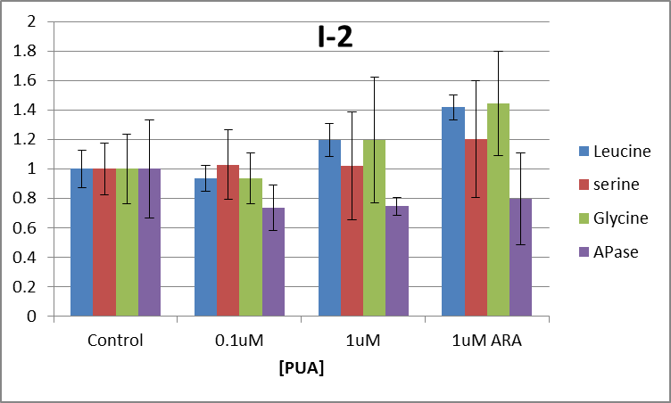
Incubation-2 (I-2) sought to investigate the response of the natural phytoiplanklton community to oxylipin exposure. Seawater was collected from the depth of 55% PAR (CTD16). Triplicate 20L incubations were set up with 0, 0.1uM, or 1uM PUA cocktail added or 1uM 80%Arachidonic acid/20%HPETE. The PUA cocktail contained heptadienal, octadienal ,a nd decadienal. The incubations were tconducted for 24 hours in on-deck flow-through incubators screened to the 55% light level. Alkaline phosphatase (APase), lipase, alpha-glucosidase, and peptidase were determined by measuring the hydrolysis product of the commonly used fluorogenic substrates 4-methylumbelliferyl (MUF)-phosphate, MUF-butyrate, MUF-alpha-D-glucose and methyl-coumarinyl-amide(MCA)-leucine (Sigma-Aldrich) over time (Hoppe 1993). Seawater from each treatment was aliquoted into one row of a 96-well plate. The 96 well plates were prepared with fluorogenic substrates already added. The kinetics of fluorescence production was measured using a CytoFluor Series 4000 multi-well plate reader. Fluorescence was converted to concentration units using calibration curves with of commercially available, purified MUF and MCA standards.

 | pmol/L/hr
 | Leucinase |  |  | Serinase |  |  | Glycinase |  |  | Phosphatase
Control | 0.14030291492 | 0.21725464175 | 0.17258299172 | 0.10361234093 | 0.091678118058 | 0.12714187765 | 0.055900925248 | 0.063880347468 | 0.055882249448 | 0.018190446206 | 0.0090725299025 | 0.0095951985643
Control | 0.1617487145 | 0.17562754288 | 0.16208403438 | 0.10429161925 | 0.11925360001 | 0.10008998664 | 0.060081920352 | 0.067727966798 | 0.10292074696 | 0.010121067443 | 0.0091417262463 | 0.010137476885
Control | 0.19844336145 | 0.1787081525 | 0.18905207343 | 0.073271767444 | 0.076599956756 | 0.10906746012 | 0.078562270413 | 0.085587608236 | 0.095209181269 | 0.0092911946826 | 0.018509976137 | 0.010506576833
0.1uM
0.1uM | 0.18787259509 | 0.17583236089 | 0.17268961884 | 0.078759927754 | 0.098761629721 | 0.13932209677 | 0.05611731117 | 0.079424216174 | 0.087035470916 | 0.0081582181018 | 0.011653871049 | 0.0089447962686
0.1uM | 0.14361020282 | 0.15542559729 | 0.1605074556 | 0.099372089965 | 0.081507399111 | 0.12326958304 | 0.057814275409 | 0.060130347236 | 0.074823635764 | 0.0061963271592 | 0.0076530589568 | 0.008697146196
1uM | 0.20489509913 | 0.18515409383 | 0.22128883456 | 0.067782565399 | 0.069689903763 | 0.071579983864 | 0.076785579478 | 0.071111090499 | 0.071665927266 | 0.0091250498462 | 0.0074317781804 | 0.0087862456969
1uM
1uM | 0.24500616651 | 0.20425263214 | 0.21482068694 | 0.1297831704 | 0.14786638104 | 0.12831887491 | 0.072854375222 | 0.15182207579 | 0.086201906253 | 0.0095092283027 | 0.0083105096189 | 0.0088247084874
1uM ARA | 0.23770683909 | 0.26926026518 | 0.26502064725 | 0.11085047797 | 0.09650221025 | 0.093279859831 | 0.07293856855 | 0.13888241747 | 0.098415136199 | 0.0082952183875 | 0.0079329929856 | 0.0092289023769
1uM ARA | 0.26291524477 | 0.266189254 | 0.22795397094 | 0.19974046652 | 0.11481597735 | 0.17735892612 | 0.078282757386 | 0.103821906 | 0.095014594494 | 0.007441626093 | 0.0073339482576 | 0.0090012318214
1uM ARA | 0.23666085349 | 0.24612864932 | 0.25490479685 | 0.0914571365 | 0.092738275132 | 0.11041501524 | 0.094900048977 | 0.14116075047 | 0.13780498325 | 0.0083631649893 | 0.018700786516 | 0.006810111219

 | pmol/L/hr
 | Leucinase | Stdev | Serinase | Stdev | Glycinase | Stdev | Phosphatase | Stdev
Control | 0.17761064652 | 0.014578902924 | 0.10055630298 | 0.017851839787 | 0.073972579577 | 0.017437772523 | 0.011618465878 | 0.0038484006067
0.1uM | 0.16598963842 | 0.015894182252 | 0.10349878773 | 0.023703571395 | 0.069224209445 | 0.012940714467 | 0.0085505696218 | 0.0018060621124
1uM | 0.21256958552 | 0.060177308202 | 0.1025034799 | 0.036624975694 | 0.088406825752 | 0.031567983243 | 0.0086645866888 | 0.00072264418212
1uM ARA | 0.25186005788 | 0.01520058072 | 0.12079537166 | 0.039795356751 | 0.10680235142 | 0.02619818908 | 0.0092342202941 | 0.0036349789368

normalized to control
 | Leucinase |  | Serinase |  | Glycinase |  | Phosphatase
Control | 1 | 0.12669266306 | 1 | 0.1775307888 | 1 | 0.23573292459 | 1 | 0.33123139038
0.1uM | 0.93457031811 | 0.089488904879 | 1.0292620617 | 0.23572437224 | 0.93580905034 | 0.17493934294 | 0.73594652786 | 0.1554475549
1uM | 1.1968290735 | 0.1129685219 | 1.0193640464 | 0.36422357035 | 1.1951296853 | 0.4267524997 | 0.74575996349 | 0.062197900284
1uM ARA | 1.4180459494 | 0.085583724949 | 1.2012710101 | 0.3957519874 | 1.4438100176 | 0.35416081513 | 0.79478826131 | 0.31286221219

I-3
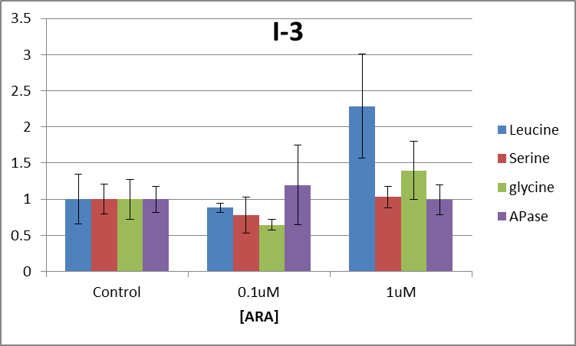
Incubation-3 (I-3) sought to investigate the response of the natural phytoiplanklton community to oxylipin exposure. Seawater was collected from the depth of 55% PAR (CTD32). Triplicate 20L incubations were set up with 0, 0.1uM, or 1uM of 80%Arachidonic acid/20%HPETE. The PUA cocktail contained heptadienal, octadienal ,a nd decadienal. The incubations were tconducted for 24 hours in on-deck flow-through incubators screened to the 55% light level. Alkaline phosphatase (APase), lipase, alpha-glucosidase, and peptidase were determined by measuring the hydrolysis product of the commonly used fluorogenic substrates 4-methylumbelliferyl (MUF)-phosphate, MUF-butyrate, MUF-alpha-D-glucose and methyl-coumarinyl-amide(MCA)-leucine (Sigma-Aldrich) over time (Hoppe 1993). Seawater from each treatment was aliquoted into one row of a 96-well plate. The 96 well plates were prepared with fluorogenic substrates already added. The kinetics of fluorescence production was measured using a CytoFluor Series 4000 multi-well plate reader. Fluorescence was converted to concentration units using calibration curves with of commercially available, purified MUF and MCA standards.

 | pmol/L/hr
 | Leucinase |  |  | Serinase |  |  | Glycinase |  |  | Phosphatase |  |  |  | Leucinase |  |  | Serinase |  |  | Glycinase |  |  | Phosphatase
Control | 0.28673871762 | 0.17259019494 | 0.16214655916 | 0.073377144855 | 0.080299963847 | 0.10441979285 | 0.087025417287 | 0.093421391295 | 0.088199684761 | 0.010642781775 | 0.011177370771 | 0.013414873523 | Control | 1433.6935881 | 862.95097468 | 810.73279579 | 366.88572428 | 401.49981923 | 522.09896425 | 435.12708644 | 467.10695648 | 440.99842381 | 53.213908873 | 55.886853857 | 67.074367616
Control | 0.12407103595 | 0.12275424349 | 0.11967067899 | 0.062957437502 | 0.081105897208 | 0.096472344023 | 0.086953099853 | 0.12011879953 | 0.080106442973 | 0.011042886787 | 0.011340862325 | 0.011122173994 | Control | 620.35517975 | 613.77121745 | 598.35339497 | 314.78718751 | 405.52948604 | 482.36172012 | 434.76549926 | 600.59399765 | 400.53221486 | 55.214433934 | 56.704311625 | 55.610869969
Control | 0.18045002264 | 0.18179400447 | 0.15942550784 | 0.083919649782 | 0.12502227231 | 0.083269458655 | 0.081682125191 | 0.085253487757 | 0.16377017324 | 0.014269036604 | 0.015758170284 | 0.016725696304 | Control | 902.25011319 | 908.97002233 | 797.12753919 | 419.59824891 | 625.11136155 | 416.34729328 | 408.41062595 | 426.26743878 | 818.85086622 | 71.345183021 | 78.790851419 | 83.628481518
0.1uM | 0.11412398942 | 0.13774784104 | 0.13192815128 | 0.043875394129 | 0.11234647105 | 0.094377241268 | 0.075520561602 | 0.063111240988 | 0.062498129895 | 0.023075440046 | 0.025522780722 | 0.02494890125 | 0.1uM | 570.61994712 | 688.73920521 | 659.6407564 | 219.37697064 | 561.73235523 | 471.88620634 | 377.60280801 | 315.55620494 | 312.49064947 | 115.37720023 | 127.61390361 | 124.74450625
0.1uM | 0.13678151667 | 0.14133562319 | 0.11926618616 | 0.056658940119 | 0.068186786504 | 0.074292869529 | 0.049425346986 | 0.065601515576 | 0.071938804342 | 0.009372913868 | 0.0076575895551 | 0.0097861312518 | 0.1uM | 683.90758334 | 706.67811596 | 596.33093082 | 283.2947006 | 340.93393252 | 371.46434765 | 247.12673493 | 328.00757788 | 359.69402171 | 46.86456934 | 38.287947775 | 48.930656259
0.1uM | 0.13995627971 | 0.12762254686 | 0.12603052476 | 0.052288330178 | 0.059446035485 | 0.055638276865 | 0.059028782548 | 0.067202589072 | 0.058928563074 | 0.011993957935 | 0.013335695142 | 0.012619251941 | 0.1uM | 699.78139857 | 638.11273428 | 630.1526238 | 261.44165089 | 297.23017743 | 278.19138432 | 295.14391274 | 336.01294536 | 294.64281537 | 59.969789674 | 66.678475709 | 63.096259704
1uM | 0.24088592188 | 0.51297105809 | 0.23015541098 | 0.1116655215 | 0.075568522885 | 0.070862669177 | 0.21204217318 | 0.084339615414 | 0.099899025471 | 0.014240383873 | 0.013254113986 | 0.01383022644 | 1uM | 1204.4296094 | 2564.8552904 | 1150.7770549 | 558.3276075 | 377.84261442 | 354.31334588 | 1060.2108659 | 421.69807707 | 499.49512735 | 71.201919365 | 66.27056993 | 69.1511322
1uM | 0.27439862758 | 0.28349806698 | 0.25479242706 | 0.084854138334 | 0.10100660376 | 0.087368699856 | 0.11609617315 | 0.11400456978 | 0.1737486356 | 0.016619072505 | 0.0087123980783 | 0.0091637636663 | 1uM | 1371.9931379 | 1417.4903349 | 1273.9621353 | 424.27069167 | 505.03301878 | 436.84349928 | 580.48086573 | 570.02284888 | 868.743178 | 83.095362524 | 43.561990391 | 45.818818331
1uM | 0.38090165628 | 0.48387055568 | 0.38554031736 | 0.091199018344 | 0.10138623366 | 0.090240380904 | 0.15156880497 | 0.14410145259 | 0.14402562816 | 0.012847804785 |  | 0.012924288404 | 1uM | 1904.5082814 | 2419.3527784 | 1927.7015868 | 455.99509172 | 506.93116831 | 451.20190452 | 757.84402485 | 720.50726294 | 720.12814079 | 64.239023927 | 0 | 64.621442018

 | pmol/L/hr
 | Leucinase | Stdev | Serinase | Stdev | Glycinase | Stdev | Phosphatase | Stdev
Control | 0.14802758223 | 0.029455289314 | 0.087871551226 | 0.018366731759 | 0.098503402432 | 0.027205439612 | 0.012832650263 | 0.0022914665698
1uM | 0.13053251768 | 0.0095097249444 | 0.068567816125 | 0.022029971161 | 0.063695059342 | 0.0076944052402 | 0.015368073523 | 0.0071057780781
10uM | 0.33855711577 | 0.1066487375 | 0.090461309824 | 0.01288252318 | 0.13775845315 | 0.039376406445 | 0.012699006467 | 0.0026130017229

normalized to control
 | Leucinase |  | Serinase |  | Glycinase |  | Phosphatase
Control | 1 | 0.34516769865 | 1 | 0.20901795295 | 1 | 0.27618781626 | 1 | 0.17856534097
0.1uM | 0.88181213063 | 0.064242925549 | 0.78031871713 | 0.25070652394 | 0.64662801253 | 0.078113091022 | 1.1975759651 | 0.55372646589
1uM | 2.2871218368 | 0.72046530718 | 1.0294720938 | 0.14660630204 | 1.398514668 | 0.39974666329 | 0.98958564341 | 0.20362136187

N-1
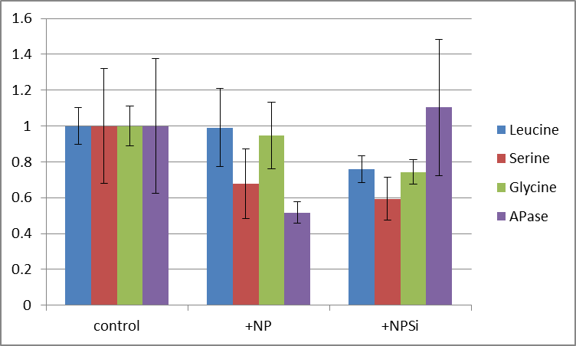
Nutrient Amendment Exp-1 (N-1) sought to investigate the response of oxylipin production by the natural phytoplankton community to nutrient stress. Seawater was collected from the depth of 55% PAR (CTD13). Triplicate 20L incubations were set up with no amendment, +NP, and +NPSi. The incubations were conducted for 72 hours in on-deck flow-through incubators screened to the 55% light level. Alkaline phosphatase (APase), lipase, alpha-glucosidase, and peptidase were determined by measuring the hydrolysis product of the commonly used fluorogenic substrates 4-methylumbelliferyl (MUF)-phosphate, MUF-butyrate, MUF-alpha-D-glucose and methyl-coumarinyl-amide(MCA)-leucine (Sigma-Aldrich) over time (Hoppe 1993). Seawater from each treatment was aliquoted into one row of a 96-well plate. The 96 well plates were prepared with fluorogenic substrates already added. The kinetics of fluorescence production was measured using a CytoFluor Series 4000 multi-well plate reader. Fluorescence was converted to concentration units using calibration curves with of commercially available, purified MUF and MCA standards.

 | pmol/L/hr
 | Leucinase |  |  | Serinase |  |  | Glycinase |  |  | Phosphatase
Control | 0.17865712829 | 0.16969974512 | 0.13982838751 | 0.10201473732 | 0.064269483079 | 0.06620803199 | 0.057726891266 | 0.053997864485 | 0.052559967463 | 0.0062339108035 | 0.007016052991 | 0.0084930282335
Control | 0.13715020448 | 0.15940160762 | 0.14223335266 | 0.048956937751 | 0.066829428828 | 0.096371614119 | 0.059927454242 | 0.053836458656 | 0.056628789193 | 0.0105647415 | 0.011516047043
Control | 0.17367119814 | 0.1727351907 | 0.17270954356 | 0.13060095065 | 0.11536611087 | 0.11635237938 | 0.071180272187 | 0.068451978769 | 0.058631041586 | 0.018645704887 | 0.013408788313 | 0.015598929184
+NP | 0.14567857208 | 0.19952242039 | 0.2274994787 | 0.10116632109 | 0.060484646447 | 0.070674563654 | 0.070770291539 | 0.074735816787 | 0.061199465132
+NP | 0.12871333437 | 0.17086854878 | 0.12466839668 | 0.063989585884 | 0.048527021119 | 0.056044278045 | 0.048900580609 | 0.053372822761 | 0.058247522985 | 0.0061762661955 |  | 0.0060584717819
+NP | 0.13904358565 | 0.1507947834 | 0.13847159634 | 0.046929867948 | 0.04450854002 | 0.054517387884 | 0.045977099834 | 0.049109514157 | 0.043254885417 | 0.0057973439945 | 0.0048538774182 | 0.0067288896954
+NPSi | 0.11737668732 | 0.13828392618 | 0.12519809382 | 0.046639933062 | 0.070626107877 | 0.050363062123 | 0.044357755538 | 0.044729043664 | 0.043900624761 | 0.0070716148652 | 0.0065251134419 | 0.0078243171267
+NPSi | 0.14048865337 | 0.11101411535 | 0.11343748004 | 0.042758810868 | 0.048142829936 | 0.042083447812 | 0.036869695776 | 0.038409286384 | 0.049115517811 | 0.013732272702 | 0.013800019644 | 0.014599708339
+NPSi | 0.12737104324 | 0.11015823746 | 0.10939572012 | 0.061116011146 | 0.064218097954 |  | 0.048382698829 | 0.044968411364 | 0.045381053254 | 0.015872019337 | 0.018138602066 | 0.016035678814

 | pmol/L/hr
 | Leucinase | Stdev | Serinase | Stdev | Glycinase | Stdev | Phosphatase | Stdev
Control | 0.15965018286 | 0.016419561458 | 0.08966329711 | 0.028765824566 | 0.059215635316 | 0.0065065133913 | 0.011434650369 | 0.0042966091015
+NP | 0.15836230182 | 0.034698430455 | 0.060760245789 | 0.017348313739 | 0.056174222136 | 0.01100388593 | 0.0059229698171 | 0.00068752583457
+NPSi | 0.12141377299 | 0.012028383864 | 0.053243537597 | 0.010670182844 | 0.044012676376 | 0.0040464017985 | 0.012622149593 | 0.0043326818299

normalized to control
 | Leucinase |  | Serinase |  | Glycinase |  | Phosphatase
control | 1 | 0.10372269145 | 1 | 0.32082050842 | 1 | 0.10987830083 | 1 | 0.37575343038
+NP | 0.9919331064 | 0.21734037402 | 0.67764902415 | 0.19348288875 | 0.94863834249 | 0.18582737264 | 0.51798433933 | 0.060126528784
+NPSi | 0.76049880316 | 0.075342123939 | 0.59381641445 | 0.11900279365 | 0.74326106848 | 0.068333334209 | 1.103850943 | 0.37890811611

Si-1
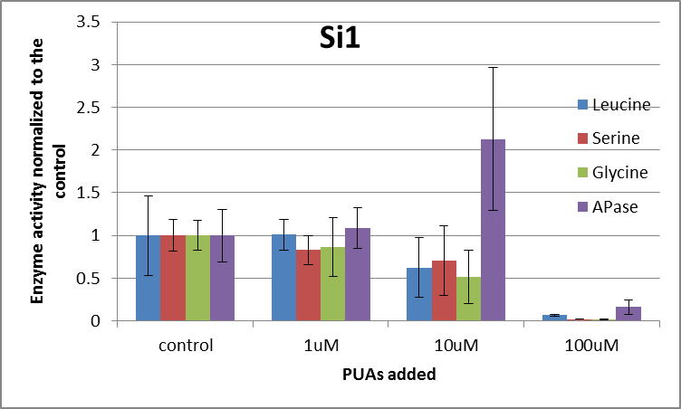
Silica DIssolution Experiment-1 (Si-1) sought to investigate the impact of oxylipins on biogenic silica dissolution within sinking particles. Sinking particles were collected from 50m in the water colum (Trap01). Triplicate 150mL incubations were set up with no amendment, 1uM, 10uM, or 100uM PUA cocktail added. The PUA cocktail contained heptadienal, octadienal, decadienal. The incubations were conducted in the dark at in situ temperature for 24 hours. Alkaline phosphatase (APase), lipase, alpha-glucosidase, and peptidase were determined by measuring the hydrolysis product of the commonly used fluorogenic substrates 4-methylumbelliferyl (MUF)-phosphate, MUF-butyrate, MUF-alpha-D-glucose and methyl-coumarinyl-amide(MCA)-leucine (Sigma-Aldrich) over time (Hoppe 1993). Seawater from each treatment was aliquoted into one row of a 96-well plate. The 96 well plates were prepared with fluorogenic substrates already added. The kinetics of fluorescence production was measured using a CytoFluor Series 4000 multi-well plate reader. Fluorescence was converted to concentration units using calibration curves with of commercially available, purified MUF and MCA standards.

 | pmol/L/hr
 | Leucinase |  |  | Serinase |  |  | Glycinase |  |  | Phosphatase
Control | 0.2914528955 | 0.32470114043 | 0.31145676531 | 0.10573075854 | 0.12324287227 | 0.1327970229 | 0.139857174 | 0.12956415619 | 0.1522273893 | 0.10643569473 | 0.10855419738 | 0.09845797643
Control | 0.090080912441 | 0.075897391258 | 0.28183535191 | 0.081445671214 | 0.082983969066 | 0.084056118551 | 0.11903266622 | 0.095382195205 | 0.098366993369 | 0.059956426832 | 0.060700518246 | 0.055927081821
Control | 0.18283013443 | 0.12370224456 | 0.20077010252 | 0.094166521067 | 0.091094027638 | 0.091392568805 | 0.10362053225 | 0.10132817599 | 0.10450912329 | 0.060457880684 | 0.0585184371 | 0.060575590698
1uM | 0.2424614411 | 0.27065203989 | 0.2568359561 | 0.10185234223 | 0.10087065338 | 0.10886465789 | 0.1132778624 | 0.10862491293 | 0.20097102239 | 0.089306636636 | 0.11399186389 | 0.10273862525
1uM | 0.1983542385 | 0.19958365709 | 0.21662474184 | 0.066734586592 | 0.073824122066 | 0.070158602791 | 0.086169787818 | 0.081371299182 | 0.079233547368 | 0.064516408133 | 0.067294716651 | 0.073968654937
1uM | 0.17307065033 | 0.16183398128 | 0.18164259017 | 0.073041622435 | 0.069967737163 | 0.070814810983 | 0.078419886937 | 0.078250109561 | 0.08075448381 | 0.07744840028 | 0.065170080837 | 0.072355692034
10uM | 0.15807136264 | 0.16115038491 | 0.15871266346 | 0.093807352317 | 0.090867441091 | 0.082028587883 | 0.077118147454 | 0.077237836796 | 0.075142939096 | 0.19223111341 | 0.17505903638 | 0.19503289627
10uM | 0.19107502779 | 0.18798360713 | 0.20877243062 | 0.10192479132 | 0.10185020868 | 0.10384245796 | 0.095139868013 | 0.084144051895 | 0.089958430257 | 0.21045739296 | 0.19970198206 | 0.22020890722
10uM | 0.035663930003 | 0.035377366052 | 0.036748277562 | 0.017501751881 | 0.015493525672 | 0.018097396756 | 0.013122918144 | 0.01281803374 | 0.012876892414 | 0.075235871187 | 0.074790736513 | 0.081232851696
100uM | 0.013388618414 | 0.014858896132 | 0.0077428386688 | 0.0021450081827 | 0.0023814862561 | 0.0025278273945 | 0.0030911199453 | 0.0013511794306 | 0.0029878142258 | 0.020545238326 | 0.018537346248 | 0.021450465421
100uM | 0.014243657272 | 0.013376719326 | 0.012302011487 | 0.0021233619692 | 0.0020744000219 | 0.002149193194 | 0.0015461372817 | 0.00085538792868 | 0.0023023162756 | 0.0070939909114 | 0.0068483328261 | 0.0093584831964
100uM | 0.016237606109 | 0.016165927721 | 0.01638921783 | 0.0019249709512 | 0.0019650450238 | 0.0021181259101 | 0.0018896572809 | 0.0011342915065 | 0.0021504322028 | 0.009287408464 | 0.0075289720527 | 0.007790550907

 | pmol/L/hr
 | Leucinase | Stdev | Serinase | Stdev | Glycinase | Stdev | Phosphatase | Stdev
Control | 0.20919188204 | 0.09738687909 | 0.098545503338 | 0.018388606675 | 0.11598760065 | 0.020344966168 | 0.074398200436 | 0.022767420452
1uM | 0.2112288107 | 0.038223566336 | 0.08179212617 | 0.016814319924 | 0.10078587916 | 0.039873201191 | 0.080754564294 | 0.01759402115
10uM | 0.13039500557 | 0.072824562215 | 0.069490390395 | 0.039913080262 | 0.059728790868 | 0.035669068754 | 0.15821675419 | 0.062110236213
100uM | 0.013856165884 | 0.0027114309448 | 0.0021566021004 | 0.00018982229236 | 0.0019231484531 | 0.00078469040225 | 0.012048976484 | 0.0062018305634

normalized to control
 | Leucinase |  | Serinase |  | Glycinase |  | Phosphatase
control | 1 | 0.46553851966 | 1 | 0.18660015985 | 1 | 0.17540638874 | 1 | 0.30602111769
1uM | 1.0097371305 | 0.18272012261 | 0.82999348929 | 0.17062493319 | 0.86893666732 | 0.34377123908 | 1.0854370646 | 0.23648449892
10uM | 0.62332727399 | 0.34812327087 | 0.705160439 | 0.40502183164 | 0.51495841396 | 0.30752484365 | 2.1266207148 | 0.83483519561
100uM | 0.066236632843 | 0.012961453945 | 0.021884327821 | 0.0019262400204 | 0.016580638296 | 0.0067652955823 | 0.16195252591 | 0.083359953965

Si-2
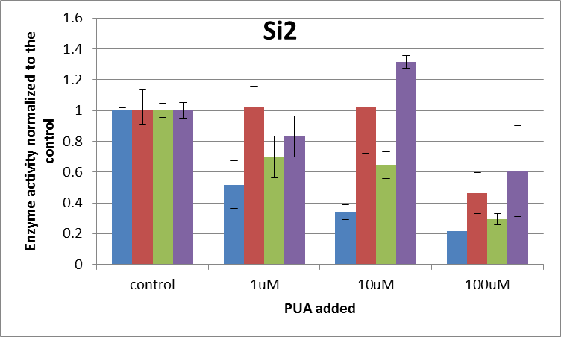
Silica DIssolution Experiment-2 (Si-2) sought to investigate the impact of oxylipins on biogenic silica dissolution within sinking particles. Sinking particles were collected from 50m in the water colum (Trap02). Triplicate 150mL incubations were set up with no amendment, 1uM, 10uM, or 100uM PUA cocktail added. The PUA cocktail contained heptadienal, octadienal, decadienal. The incubations were conducted in the dark at in situ temperature for 24 hours. Alkaline phosphatase (APase), lipase, alpha-glucosidase, and peptidase were determined by measuring the hydrolysis product of the commonly used fluorogenic substrates 4-methylumbelliferyl (MUF)-phosphate, MUF-butyrate, MUF-alpha-D-glucose and methyl-coumarinyl-amide(MCA)-leucine (Sigma-Aldrich) over time (Hoppe 1993). Seawater from each treatment was aliquoted into one row of a 96-well plate. The 96 well plates were prepared with fluorogenic substrates already added. The kinetics of fluorescence production was measured using a CytoFluor Series 4000 multi-well plate reader. Fluorescence was converted to concentration units using calibration curves with of commercially available, purified MUF and MCA standards.

 | pmol/L/hr
 | Leucinase |  |  | Serinase |  |  | Glycinase |  |  | Phosphatase
Control | 0.33526262257 | 0.32466544168 | 0.33272537721 | 0.061767162261 | 0.058341514361 | 0.051805000931 | 0.071346069651 | 0.067899677356 | 0.066514494287 | 0.037157478512 | 0.034340744542 | 0.033971114173
Control | 0.33504614753 | 0.33520670814 | 0.33405894542 | 0.053546183925 | 0.051933405216 | 0.048730621426 | 0.066946258968 | 0.068224696307 | 0.065534555221 | 0.033229302882 | 0.037950081978 | 0.032133097923
Control | 0.32133701617 | 0.32973925933 | 0.32034033091 | 0.049256986572 | 0.061483812922 | 0.054438293336 | 0.068895358053 | 0.065223821272 | 0.060057452482 | 0.034088744168 | 0.034987328833 | 0.035154961092
1uM | 0.17380337635 | 0.16836067012 | 0.17151255229 | 0.040481625601 | 0.043357321024 | 0.038763336784 | 0.045048325688 | 0.053144676927 | 0.046541691025 | 0.027601383347 | 0.027785384829 | 0.030540962622
1um | 0.11213906208 | 0.11170629283 | 0.11362389861 | 0.035497134417 | 0.035014769487 | 0.048228576947 | 0.038223831847 | 0.038417754262 | 0.032419138455 | 0.022719472096 | 0.024082324077 | 0.025102402635
1uM | 0.25197150878 | 0.20286905538 | 0.22825328252 | 0.040420869137 | 0.11221137111 | 0.10789576358 | 0.060181064962 | 0.056377627989 | 0.048975375141 | 0.034266940286 | 0.03203218928 | 0.036263452485
10uM | 0.097193121136 | 0.094992164414 | 0.099717612741 | 0.050642650914 | 0.087416149096 | 0.050251745317 | 0.051630043737 | 0.04445111938 | 0.046972184151 | 0.046750574704 | 0.046025986683 | 0.045021083751
10uM | 0.13216838911 | 0.11904835282 | 0.12558999024 | 0.038752217815 | 0.056938921297 | 0.051956972277 | 0.037241306115 | 0.041986974187 | 0.036439550082 | 0.043634277741 | 0.045364999032 | 0.047697207231
10uM
100uM | 0.074800961835 | 0.087866623787 | 0.079126295244 | 0.025686371013 | 0.022873546598 | 0.028134718641 | 0.017736555832 | 0.0231169656 | 0.020007310015 | 0.020478017424 | 0.022570601658 | 0.022314404059
100uM | 0.061924752167 | 0.068835236417 | 0.073040412591 | 0.015989879816 | 0.030411591832 | 0.024017858106 | 0.016229123104 | 0.018044757646 | 0.016647329622 | 0.013165698976 | 0.0137601541 | 0.013905190248
100uM | 0.05132946343 | 0.067955677495 | 0.06838854404 | 0.014703229075 | 0.027159075642 | 0.038280793458 | 0.021433939598 | 0.020550588882 | 0.022117202046 | 0.019499732891 | 0.017845570928 | 0.046726057758

 | pmol/L/hr
 | Leucinase | Stdev | Serinase | Stdev | Glycinase | Stdev | Phosphatase | Stdev
Control | 0.32928806792 | 0.0068473622682 | 0.054589220106 | 0.0048965523754 | 0.066738042622 | 0.0031207434641 | 0.034779206012 | 0.0018241856963
1uM | 0.17047107766 | 0.051399052618 | 0.055763418677 | 0.031052367763 | 0.046592165144 | 0.0091456222504 | 0.028932723518 | 0.0046674090176
10uM | 0.11145160508 | 0.016116412626 | 0.055993109453 | 0.016513215295 | 0.043120196275 | 0.005822426403 | 0.045749021524 | 0.0014159628501
100uM | 0.070363107445 | 0.010341321923 | 0.025250784909 | 0.0071828798293 | 0.019542641372 | 0.0024769152825 | 0.021140603116 | 0.010261872568

normalized to control
 | Leucinase |  | Serinase |  | Glycinase |  | Phosphatase
control | 1 | 0.018620475858 | 1 | 0.089698155898 | 1 | 0.046761087702 | 1 | 0.05245046985
1uM | 0.51769588477 | 0.15609145191 | 1.0215097151 | 0.56883699205 | 0.69813502634 | 0.1370376159 | 0.83189718327 | 0.13420113777
10uM | 0.33846232505 | 0.048943202613 | 1.0257173366 | 0.30249956426 | 0.64611119208 | 0.087242990269 | 1.3154130519 | 0.040712914769
100uM | 0.21368252998 | 0.031405091562 | 0.46255991312 | 0.1315805541 | 0.29282610943 | 0.037113993536 | 0.607851804 | 0.29505770099

Si-3
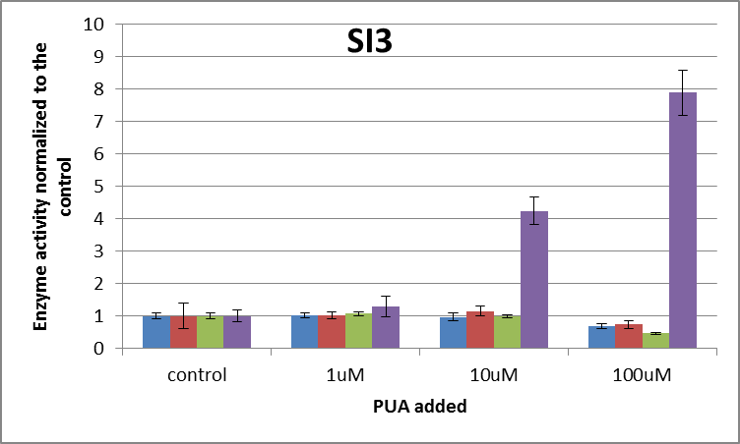
Silica DIssolution Experiment-3 (Si-3) sought to investigate the impact of oxylipins on biogenic silica dissolution within sinking particles. Sinking particles were collected from 50m in the water colum (Trap03). Triplicate 150mL incubations were set up with no amendment, 1uM, 10uM, or 100uM PUA cocktail added. The PUA cocktail contained heptadienal, octadienal, decadienal. The incubations were conducted in the dark at in situ temperature for 24 hours. Alkaline phosphatase (APase), lipase, alpha-glucosidase, and peptidase were determined by measuring the hydrolysis product of the commonly used fluorogenic substrates 4-methylumbelliferyl (MUF)-phosphate, MUF-butyrate, MUF-alpha-D-glucose and methyl-coumarinyl-amide(MCA)-leucine (Sigma-Aldrich) over time (Hoppe 1993). Seawater from each treatment was aliquoted into one row of a 96-well plate. The 96 well plates were prepared with fluorogenic substrates already added. The kinetics of fluorescence production was measured using a CytoFluor Series 4000 multi-well plate reader. Fluorescence was converted to concentration units using calibration curves with of commercially available, purified MUF and MCA standards.

 | pmol/L/hr
 | Leucinase |  |  | Serinase |  |  | Glycinase |  |  | Phosphatase
Control | 0.48768909102 | 0.46041597921 | 0.55647732819 | 0.13725676379 | 0.13890822332 | 0.13850920864 | 0.20793266351 | 0.18744428652 | 0.21038988667 | 0.10000072761 | 0.091594955528 | 0.08848105963
Control | 0.49554720589 | 0.44980351689 | 0.50813588238 | 0.16109656708 | 0.16216518327 | 0.33522434452 | 0.16846507 | 0.23398376308 | 0.17988517346 | 0.085781733944 | 0.10776945903 | 0.079941274333
Control | 0.50457420204 | 0.45096586889 | 0.55012714078 | 0.14270806827 | 0.13584809259 | 0.14666971606 | 0.19044313169 | 0.20435097499 | 0.19994802632 | 0.077407394443 | 0.062306563006 | 0.121351943
1uM | 0.45329844725 | 0.50940502874 | 0.5805806566 | 0.15934960631 | 0.20245143083 | 0.19006443344 | 0.22392656981 | 0.20311792182 | 0.19967054592 | 0.091174597899 | 0.1278002407 | 0.10254421779
1um | 0.49486541453 | 0.46299112173 | 0.49854479005 | 0.16322662566 | 0.17212124275 | 0.17743955168 | 0.19296079974 | 0.2022462489 | 0.21612203427 | 0.10486290134 | 0.099373668924 | 0.090709799279
1uM | 0.4901418866 | 0.49519622205 | 0.51377779701 | 0.14246085234 | 0.17208456109 | 0.1623122462 | 0.20859010318 | 0.21050169709 | 0.23943943909 | 0.14004402606 | 0.1806028294 | 0.10885080341
10uM | 0.45400695378 | 0.47653547819 | 0.48728678318 | 0.19223340596 | 0.20775857401 | 0.1613168606 | 0.18972527004 | 0.20134843076 | 0.1934694729 | 0.38228255675 | 0.31140118141 | 0.43993604083
10uM | 0.49749903111 | 0.56990874786 | 0.5374213991 | 0.17862550647 | 0.15413376292 | 0.22784314125 | 0.2001039173 | 0.19688935144 | 0.19791872421 | 0.35001750986 | 0.37579201804 | 0.42018404827
10uM | 0.38428696862 | 0.45082387465 | 0.43774264522 | 0.20197722869 | 0.18281016179 | 0.22167433128 | 0.21225037319 | 0.20106155487 | 0.18028249965 | 0.39258664533 | 0.37555974127 | 0.40216376666
100uM | 0.41357957443 | 0.28351372676 | 0.28847328358 | 0.1037829586 | 0.11115272356 | 0.10510247091 | 0.091770154374 | 0.097338816003 | 0.087944768439 | 0.81249297863 | 0.62327863384 | 0.61279312625
100uM | 0.36737235177 | 0.3409729637 | 0.34525246859 | 0.11201483473 | 0.1056443373 | 0.10876231978 | 0.088981929442 | 0.090648843355 | 0.08324170414 | 0.72912597176 | 0.7017436207 | 0.72908529434
100uM | 0.32560385703 | 0.35383768949 | 0.34149676881 | 0.13953730471 | 0.14315121228 | 0.16666972324 | 0.098169579528 | 0.10677649622 | 0.086963775439 | 0.76859366254 | 0.69984802305 | 0.73568132556

 | pmol/L/hr
 | Leucinase | Stdev | Serinase | Stdev | Glycinase | Stdev | Phosphatase | Stdev
Control | 0.49319230281 | 0.038119910832 | 0.16648735195 | 0.06404557335 | 0.19809366403 | 0.019235505619 | 0.090515012281 | 0.017484451589
1uM | 0.49986681828 | 0.036178027211 | 0.17127895003 | 0.017613784113 | 0.21073059554 | 0.014142402679 | 0.11621812053 | 0.029109689168
10uM | 0.47727909797 | 0.054953434387 | 0.19204144144 | 0.025376787223 | 0.19700551048 | 0.0088270211736 | 0.38332483427 | 0.037756841954
100uM | 0.34001140935 | 0.039430961498 | 0.12175754279 | 0.022436810825 | 0.09242622966 | 0.0071831388799 | 0.71251584852 | 0.063651047068

normalized to control
 | Leucinase |  | Serinase |  | Glycinase |  | Phosphatase
control | 1 | 0.079522937027 | 1 | 0.3846873207 | 1 | 0.097103083603 | 1 | 0.19316631737
1uM | 1.013533292 | 0.073354809077 | 1.0287805532 | 0.10579652993 | 1.0637927092 | 0.071392503888 | 1.2839651413 | 0.32160067634
10uM | 0.9677342798 | 0.11142394979 | 1.1534896747 | 0.15242471531 | 0.99450687357 | 0.044559835959 | 4.2349310309 | 0.41713347878
100uM | 0.68940939956 | 0.079950480315 | 0.7313320884 | 0.13476585797 | 0.46657842448 | 0.036261325748 | 7.8717975125 | 0.70320983739

Si-4
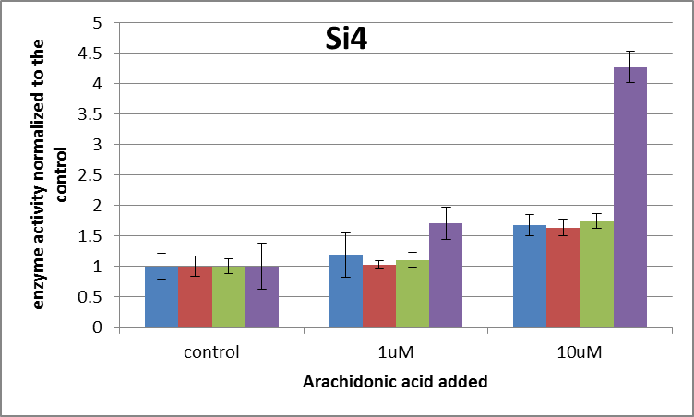
Silica DIssolution Experiment-4 (Si-4) sought to investigate the impact of oxylipins on biogenic silica dissolution within sinking particles. Sinking particles were collected from 50m in the water colum (Trap04). Triplicate 150mL incubations were set up with no amendment, 1uM, or 10uM of 80%Arachidonic Acid/20%HPETE. The incubations were conducted in the dark at in situ temperature for 24 hours. Alkaline phosphatase (APase), lipase, alpha-glucosidase, and peptidase were determined by measuring the hydrolysis product of the commonly used fluorogenic substrates 4-methylumbelliferyl (MUF)-phosphate, MUF-butyrate, MUF-alpha-D-glucose and methyl-coumarinyl-amide(MCA)-leucine (Sigma-Aldrich) over time (Hoppe 1993). Seawater from each treatment was aliquoted into one row of a 96-well plate. The 96 well plates were prepared with fluorogenic substrates already added. The kinetics of fluorescence production was measured using a CytoFluor Series 4000 multi-well plate reader. Fluorescence was converted to concentration units using calibration curves with of commercially available, purified MUF and MCA standards.

 | pmol/L/hr
 | Leucinase |  |  | Serinase |  |  | Glycinase |  |  | Phosphatase
Control | 0.060910481675 | 0.13395724322 | 0.076247603684 | 0.096181644037 | 0.072384558988 | 0.075893839706 | 0.075391037183 | 0.064620829385 | 0.062194938574 | 0.03095997984 | 0.031665649499 | 0.029187210745
Control | 0.10775280511 | 0.12267458346 | 0.123884251 | 0.065418197874 | 0.062069716732 | 0.061311265227 | 0.053824987939 | 0.051337247359 | 0.057508204249 | 0.013799578717 | 0.010107077382 | 0.014405319021
Control | 0.10653388097 | 0.11739859443 | 0.11519729268 | 0.066630345297 | 0.057960942588 | 0.061367664163 | 0.052739388235 | 0.055008997278 | 0.058837642797 | 0.027598878302 | 0.035463918707 | 0.028107782966
1uM | 0.11931524975 | 0.11949640402 | 0.11748124085 | 0.068291793597 | 0.071145893999 | 0.066947230215 | 0.069975953702 | 0.061233775006 | 0.057669200252 | 0.035043592019 | 0.032937166807 | 0.035455358651
1um | 0.14916295596 | 0.1469315273 | 0.24088122706 | 0.07829611024 | 0.07153953254 | 0.075545477454 | 0.078184908334 | 0.07339266847 | 0.069119485414 | 0.046672010097 | 0.051243964195 | 0.047516873718
1uM | 0.10916442356 | 0.12895605476 | 0.1007872788 | 0.064541571325 | 0.073787706549 | 0.062881105157 | 0.05821241751 | 0.060899580009 | 0.059035125006 | 0.046746073195 | 0.042927264504 | 0.039543111291
10uM | 0.17448917156 | 0.16983678731 | 0.18992431035 | 0.10586298654 | 0.1105841446 | 0.10080264917 | 0.11158724521 | 0.093842573703 | 0.10032992444 | 0.09985089598 | 0.10767562503 | 0.10663795079
10uM
10uM | 0.21088394214 | 0.19250095844 | 0.2213913805 | 0.10890563175 | 0.12428697426 | 0.12318953986 | 0.11002486948 | 0.10219744861 | 0.097890774851 | 0.11555192377 | 0.098790844634 | 0.10115332719

 | pmol/L/hr
 | Leucinase | Stdev | Serinase | Stdev | Glycinase | Stdev | Phosphatase | Stdev
Control | 0.11557356794 | 0.007291700086 | 0.068802019401 | 0.011742937497 | 0.059051474778 | 0.0075275935167 | 0.024588377242 | 0.00922877295
1uM | 0.13690848467 | 0.042114131331 | 0.070330713453 | 0.0051153428169 | 0.065302568189 | 0.007513109951 | 0.042009490497 | 0.0065239353309
10uM | 0.19317109172 | 0.020072988516 | 0.1122719877 | 0.0094905746508 | 0.10264547272 | 0.0069292346486 | 0.1049434279 | 0.006340812555

normalized to control
 | Leucinase | stdev | Serinase |  | Glycinase |  | Phosphatase
control | 1 | 0.2052862712 | 1 | 0.17067722138 | 1 | 0.12747511464 | 1 | 0.37533070439
1uM | 1.1846003123 | 0.36439241327 | 1.0222187381 | 0.074348730769 | 1.1058583792 | 0.12722984446 | 1.7085100852 | 0.26532598173
10uM | 1.6714123754 | 0.17368148162 | 1.6318123897 | 0.1379403502 | 1.7382372431 | 0.11734227934 | 4.2680095098 | 0.25787844772

